Any speed input
Body Mass | 90
V0 (m/s) | 8.5

Fill the Yellow cells and
Click "SAVE" to update computations
Load (%BM) | Load (kg) | Vmax (m/s) | Slope of Load-Vmax | Y-intercept | Velocity (m/s) | Velocity drop from Vmax (%) | Load (kg) | Load (%BM) | Zone
No load | 0 | 8.51 | -0.096 | 8.6 | 7.65 | 10 | 9.7 | 11% | Technical Competency
Small | 19 | 6.85 |  |  | 6.80 | 20 | 18.5 | 21% | Speed-strength
Medium | 29 | 5.90 |  |  | 6.38 | 25 | 22.9 | 25%
High | 39 | 4.70 |  |  | 5.95 | 30 | 27.4 | 30%
Very high |  |  |  |  | 5.10 | 40 | 36.2 | 40% | Power
 |  |  |  |  | 4.25 | 50 | 45.0 | 50%
 |  |  |  |  | 3.40 | 60 | 53.8 | 60%
 |  |  |  |  | 2.55 | 70 | 62.6 | 70% | Strength-Speed
 |  |  |  |  | 2.13 | 75 | 67.0 | 74%
0 | 8.51
19 | 6.85
29 | 5.90
39 | 4.70
 |  |  |  |  | 0.00 | 100 | 89.1 | 99%

 |  |  |  |  |  | FV Spectrum (Cahill et al.)
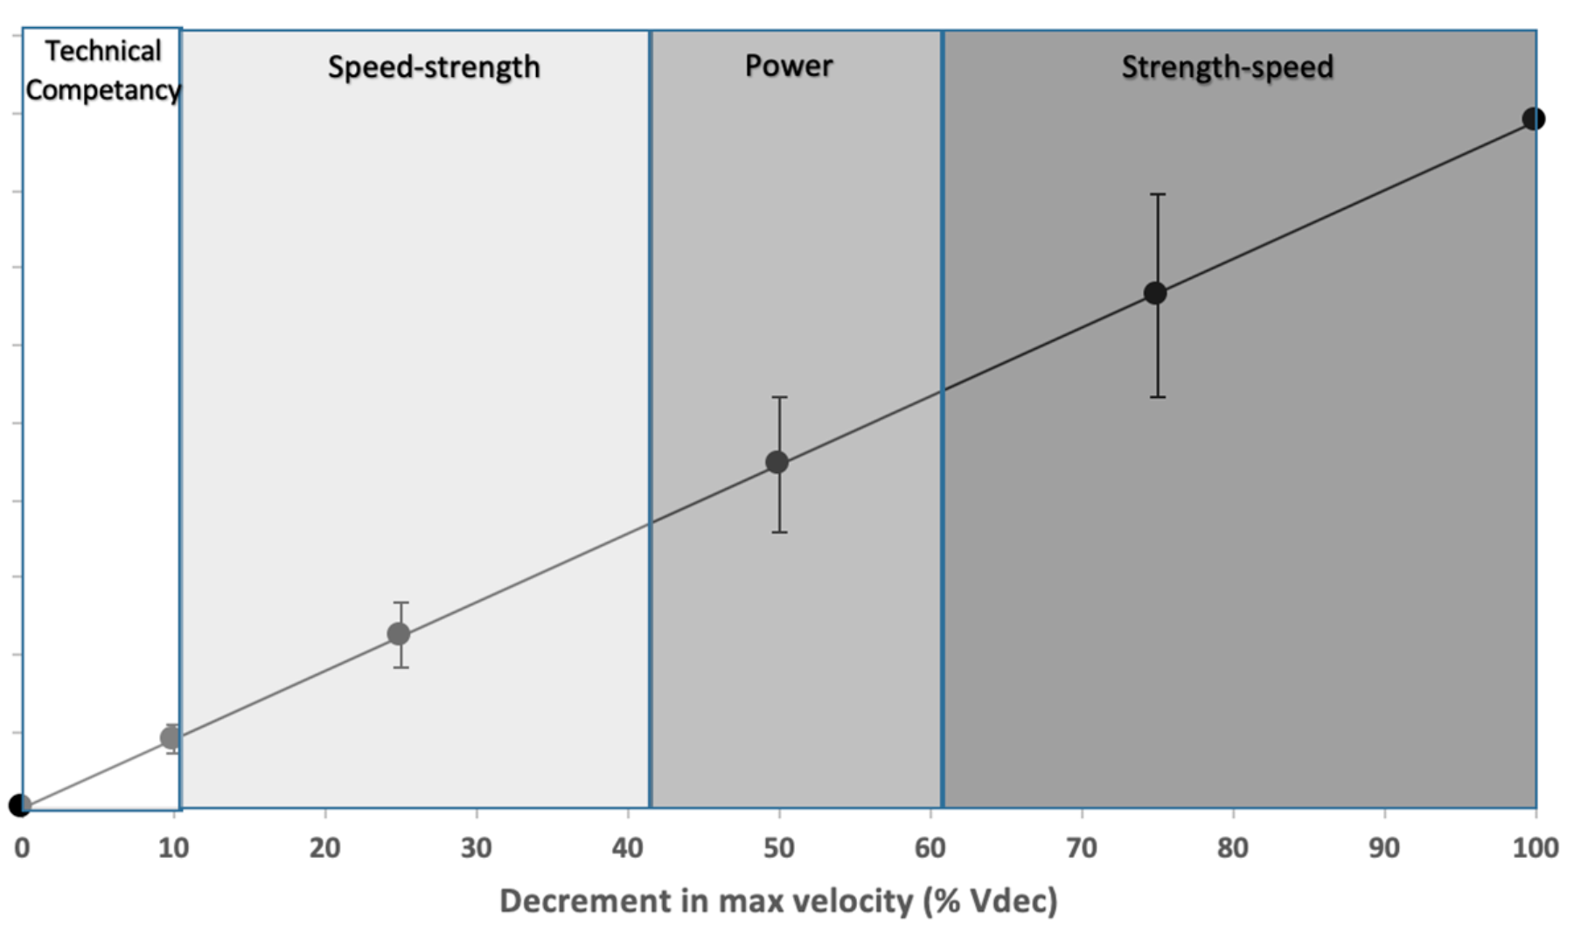

MySprint input
Body Mass | 60
V0 (m/s) | 8.91

iPhone / iPad
(10m away from the 15m mark)
Fill the Yellow cells and
Click "SAVE" to update computations
Load (%BM) | Load (kg) | Vmax (m/s) | Slope of Load-Vmax | Y-intercept | Velocity (m/s) | Velocity drop from Vmax (%) | Load (kg) | Load (%BM) | Zone
No load | 0 | 8.50 | -0.112 | 8.5 | 8.0 | 10 | 4 | 7% | Technical Competency
Small | 19 | 6.49 |  |  | 7.1 | 20 | 12 | 20% | Speed-strength
Medium | 29 | 5.05 |  |  | 6.7 | 25 | 16 | 27%
High | 39 | 4.22 |  |  | 6.2 | 30 | 20 | 34%
Very high |  |  |  |  | 5.3 | 40 | 28 | 47% | Power |  | 1st propulsion | Mark at 5.57m | 10.28m | 15m | 19.72m | 24.43 | 29.15
1
2
3
4
5
6
 |  |  |  |  | 4.5 | 50 | 36 | 60% |  |  | "START" | (5m split) | (10m) | (15m) | (20m) | (25m) | (30m)
 |  |  |  |  | 3.6 | 60 | 44 | 73%
 |  |  |  |  | 2.7 | 70 | 52 | 87% | Strength-Speed | Splits | 1.584 | 0.202 | 1.142 | 1.982 | 2.791 | 3.572 | 4.343 | TRIAL 1: NO LOAD
 |  |  |  |  | 2.2 | 75 | 56 | 93% |  | Mean V (m/s) |  |  | 5.3 | 6.0 | 6.2 | 6.4 | 6.5
0 | 8.50
19 | 6.49
29 | 5.05
39 | 4.22
 |  |  |  |  | 0.0 | 100 | 76 | 126%
 |  |  |  |  |  |  |  |  |  | Splits | 1.584 | 0.202 | 1.142 | 1.982 | 2.791 | 3.572 | 4.343 | TRIAL 2: 25%BM
 |  |  |  |  |  | FV Spectrum (Cahill et al.) |  |  |  | Mean V (m/s) |  |  | 5.3 | 6.0 | 6.2 | 6.4 | 6.5

 |  |  |  |  |  |  |  |  |  | Splits | 1.584 | 0.566 | 1.6 | 2.59 | 3.582 | 4.583 |  | TRIAL 3: 50%BM
 |  |  |  |  |  |  |  |  |  | Mean V (m/s) |  |  | 4.8 | 5.1 | 5.0 | 5.0

 |  |  |  |  |  |  |  |  |  | Splits | 1.584 | 1.263 | 2.586 | 3.772 | 4.978 |  |  | TRIAL 4: 75%BM
 |  |  |  |  |  |  |  |  |  | Mean V (m/s) |  |  | 3.8 | 4.2 | 4.1

 |  |  |  |  |  |  |  |  |  | Splits | 1.584 | 1.19 | 2.111 | 3.12 | 3.99 | 4.98 | 6 | TRIAL 5: 100%BM
 |  |  |  |  |  |  |  |  |  | Mean V (m/s) |  |  | 5.4 | 5.0 | 5.7 | 5.1 | 4.9
 |  |  |  |  |  |  |  |  |  | THE LAST TRIAL IS NOT OBLIGATORY - remove "Very high" load data in cells B9 and C9 if you don't use it

